Sample
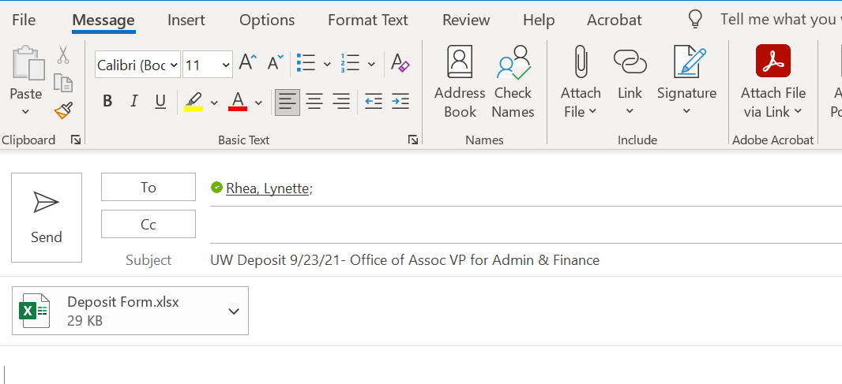
2022-23 United Way Campaign
Unit/College: | Vice President for Administration & Finance |  | Coordinator Name: | Angela Cross
Department: | Office of the Associated VP for Admin & Finance |  | Captain Name: | Lynette Rhea
Deposit Date: | 9/23/21 |  | Total Deposit | $3,728.47

Please submit this form with cash and checks collected to OSU United Way Treasurer- Lynette Rhea - WHITEHURST 207
Each employee donation must have a United Way donation card attached.

Fundraisers should be listed on one line with a total for checks and a total for cash. Fundraising donations do not need to be broken out by individual (Complete FR Check Listing and attach or attach adding machine tape that totals to the check amount)

When a deposit is made, please email this form to lynette.rhea@okstate.edu with a subject of "UW Deposit <<Date>> - <<Department>>.

Date | Contributor Name/ Fundraising Activity | Banner ID/CWID or Department Org | Cash | Check | Total Contribution
9/23/21 | Jane Doe | A20215690 | $100.00 |  | 100.00
9/23/21 | Pistol Pete | A00000001 |  | $1,000.00 | 1,000.00
9/23/21 | Super Fundraiser | 100458 | $324.62 | $767.95 | 1,092.57
 |  |  |  |  | -
 |  |  |  |  | -
 |  |  |  |  | -
 |  |  |  |  | -
 |  |  |  |  | -
 |  |  |  |  | -
vvvvvvvvvvvvvvvvvvvvvvvvvvvvvvvvvvvvvvvvvvvvvvvvvvvvvvvvvvvvvvvvvvvvvvvvvvvvvvvvvvvvvvvvvvvvvvvvvvvvvvvvvvvvvvvvvvvvvvvvvvvvv

Adding Machine Tape |  |  | FR Check Listing

 |  |  | Fundraisng Activity | Super Fundraiser

 |  |  |  | Total Checks | $767.95

 |  |  | Payee | Check # | Amount
 | 105.00 + |  | Elton John | 1076 | 105.00
 | 225.00 + |  | Miss Piggy | 956 | 225.00
 | 164.65 + |  | Kermit D'Frog | 102 | 164.65
 | 103.30 + |  | Johnny Begoode | 548 | 103.30
 | 61.00 + |  | Ronald Reagan | 10110 | 61.00
 | 109.00 + |  | James Kirk | 00000069 | 109.00

 | 767.95 *

 |  |  | vvvvvvvvvvvvvvvvvvvvvvvvvvvvvvvvvvvvvvvvvvvvvvvvvvvvvvvvvvvvvvvvvvvvvvvvvvvv

Email to Treasurer

